SLB_CNL_1.0
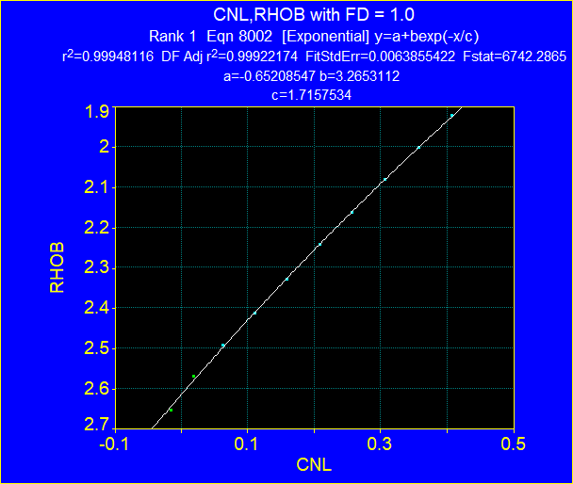
CNL vs. RHOB with Density of Fluid = 1.0
Point | CNL | RHOB | Rho_matrix | Por
1 | -0.0152 | 2.653 | 2.65 | 0.00
2 | 0.0179 | 2.569 | 2.65 | 0.05
3 | 0.0622 | 2.491 | 2.65 | 0.10
4 | 0.1103 | 2.410 | 2.65 | 0.15
5 | 0.1593 | 2.328 | 2.65 | 0.20
6 | 0.2083 | 2.241 | 2.65 | 0.25
7 | 0.2573 | 2.160 | 2.65 | 0.30
8 | 0.3070 | 2.078 | 2.65 | 0.35
9 | 0.3576 | 2.000 | 2.65 | 0.40
10 | 0.4073 | 1.921 | 2.65 | 0.45
11 | 0.0000 | 2.712 | 2.71 | 0.00
12 | 0.0503 | 2.628 | 2.71 | 0.05
13 | 0.1001 | 2.539 | 2.71 | 0.10
14 | 0.1506 | 2.455 | 2.71 | 0.15
15 | 0.1996 | 2.371 | 2.71 | 0.20
16 | 0.2502 | 2.285 | 2.71 | 0.25
17 | 0.2991 | 2.201 | 2.71 | 0.30
18 | 0.3489 | 2.116 | 2.71 | 0.35
19 | 0.4010 | 2.030 | 2.71 | 0.40
20 | 0.4468 | 1.949 | 2.71 | 0.45
21 | 0.0266 | 2.867 | 2.87 | 0.00
22 | 0.1214 | 2.775 | 2.87 | 0.05
23 | 0.1775 | 2.685 | 2.87 | 0.10
24 | 0.2280 | 2.593 | 2.87 | 0.15
25 | 0.2731 | 2.499 | 2.87 | 0.20
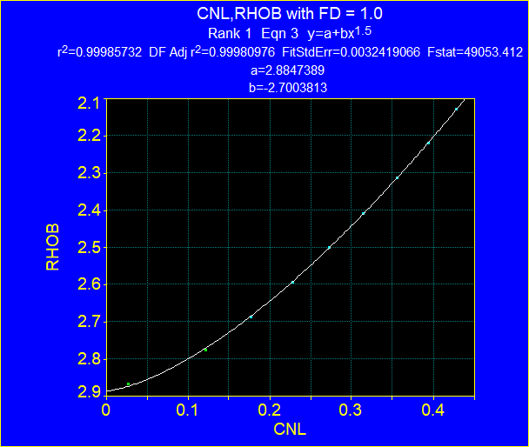
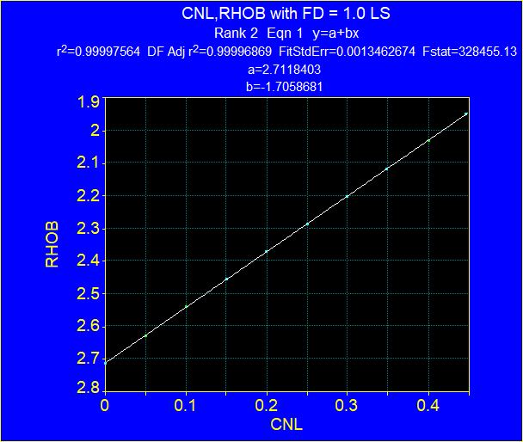
26 | 0.3141 | 2.407 | 2.87 | 0.25
27 | 0.3560 | 2.312 | 2.87 | 0.30
28 | 0.3939 | 2.217 | 2.87 | 0.35
29 | 0.4279 | 2.128 | 2.87 | 0.40
 | 0.0000 | 2.613 | 2.65
 | 0.0200 | 2.5751672856 | 2.65
 | 0.0400 | 2.5377729522 | 2.65
 | 0.0600 | 2.5008119203 | 2.65
 | 0.0800 | 2.464279169 | 2.65
 | 0.1000 | 2.4281697357 | 2.65
 | 0.1200 | 2.3924787152 | 2.65
 | 0.1400 | 2.3572012592 | 2.65
 | 0.1600 | 2.3223325756 | 2.65
 | 0.1800 | 2.2878679278 | 2.65
 | 0.2000 | 2.2538026342 | 2.65
 | 0.2200 | 2.2201320672 | 2.65
 | 0.2400 | 2.186851653 | 2.65
 | 0.2600 | 2.1539568708 | 2.65
 | 0.2800 | 2.1214432521 | 2.65
 | 0.3000 | 2.0893063803 | 2.65
 | 0.3200 | 2.0575418898 | 2.65
 | 0.3400 | 2.0261454657 | 2.65
 | 0.3600 | 1.9951128432 | 2.65
 | 0.3800 | 1.9644398067 | 2.65
 | 0.4000 | 1.9341221895 | 2.65
 | 0.4200 | 1.9041558734 | 2.65
 | 0.4400 | 1.8745367875 | 2.65
 | 0.0000 | 2.71 | 2.71 | 0.0000
 | 0.0200 | 2.6758 | 2.71 | 0.0200
 | 0.0400 | 2.6416 | 2.71 | 0.0400
 | 0.0600 | 2.6074 | 2.71 | 0.0600
 | 0.0800 | 2.5732 | 2.71 | 0.0800
 | 0.1000 | 2.539 | 2.71 | 0.1000
 | 0.1200 | 2.5048 | 2.71 | 0.1200
 | 0.1400 | 2.4706 | 2.71 | 0.1400
 | 0.1600 | 2.4364 | 2.71 | 0.1600
 | 0.1800 | 2.4022 | 2.71 | 0.1800
 | 0.2000 | 2.368 | 2.71 | 0.2000
 | 0.2200 | 2.3338 | 2.71 | 0.2200
 | 0.2400 | 2.2996 | 2.71 | 0.2400
 | 0.2600 | 2.2654 | 2.71 | 0.2600
 | 0.2800 | 2.2312 | 2.71 | 0.2800
 | 0.3000 | 2.197 | 2.71 | 0.3000
 | 0.3200 | 2.1628 | 2.71 | 0.3200
 | 0.3400 | 2.1286 | 2.71 | 0.3400
 | 0.3600 | 2.0944 | 2.71 | 0.3600
 | 0.3800 | 2.0602 | 2.71 | 0.3800
 | 0.4000 | 2.026 | 2.71 | 0.4000
 | 0.4200 | 1.9918 | 2.71 | 0.4200
 | 0.4400 | 1.9576 | 2.71 | 0.4400
 | 0.0000 | 2.885 | 2.87
 | 0.0200 | 2.8773632468 | 2.87
 | 0.0400 | 2.8634 | 2.87
 | 0.0600 | 2.8453182662 | 2.87
 | 0.0800 | 2.8239059741 | 2.87
 | 0.1000 | 2.7996185032 | 2.87
 | 0.1200 | 2.7727631077 | 2.87
 | 0.1400 | 2.7435653508 | 2.87
 | 0.1600 | 2.7122 | 2.87
 | 0.1800 | 2.6788076626 | 2.87
 | 0.2000 | 2.6435046584 | 2.87
 | 0.2200 | 2.6063893039 | 2.87
 | 0.2400 | 2.5675461293 | 2.87
 | 0.2600 | 2.5270488301 | 2.87
 | 0.2800 | 2.4849624018 | 2.87
 | 0.3000 | 2.4413447284 | 2.87
 | 0.3200 | 2.3962477928 | 2.87
 | 0.3400 | 2.3497186161 | 2.87
 | 0.3600 | 2.3018 | 2.87
 | 0.3800 | 2.2525311233 | 2.87
 | 0.4000 | 2.2019480254 | 2.87
 | 0.4200 | 2.1500840048 | 2.87
 | 0.4400 | 2.0969699498 | 2.87

SLB_CNL_1.1
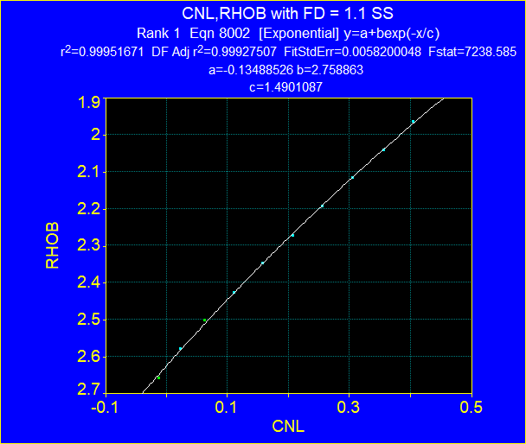
CNL vs. RHOB with Density of Fluid = 1.1
Point | CNL | RHOB | Rho_matrix | Por | CNL with Rho Water of 1.1
1 | -0.0131 | 2.657 | 2.65 | 0.00
2 | 0.0230 | 2.578 | 2.65 | 0.05
3 | 0.0630 | 2.501 | 2.65 | 0.10
4 | 0.1101 | 2.425 | 2.65 | 0.15
5 | 0.1580 | 2.346 | 2.65 | 0.20
6 | 0.2075 | 2.270 | 2.65 | 0.25
7 | 0.2553 | 2.192 | 2.65 | 0.30
8 | 0.3056 | 2.115 | 2.65 | 0.35
9 | 0.3566 | 2.039 | 2.65 | 0.40
10 | 0.4045 | 1.963 | 2.65 | 0.45
11 | 0.0000 | 2.709 | 2.71 | 0.00
12 | 0.0513 | 2.632 | 2.71 | 0.05
13 | 0.0999 | 2.551 | 2.71 | 0.10
14 | 0.1494 | 2.472 | 2.71 | 0.15
15 | 0.2004 | 2.390 | 2.71 | 0.20
16 | 0.2498 | 2.309 | 2.71 | 0.25
17 | 0.2977 | 2.232 | 2.71 | 0.30
18 | 0.3480 | 2.150 | 2.71 | 0.35
19 | 0.3974 | 2.071 | 2.71 | 0.40
20 | 0.4476 | 1.987 | 2.71 | 0.45
21 | 0.0261 | 2.872 | 2.87 | 0.00
22 | 0.1195 | 2.788 | 2.87 | 0.05
23 | 0.1768 | 2.703 | 2.87 | 0.10
24 | 0.2263 | 2.611 | 2.87 | 0.15
25 | 0.2703 | 2.520 | 2.87 | 0.20
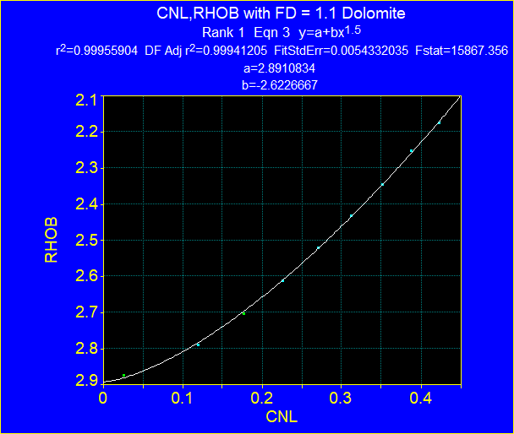
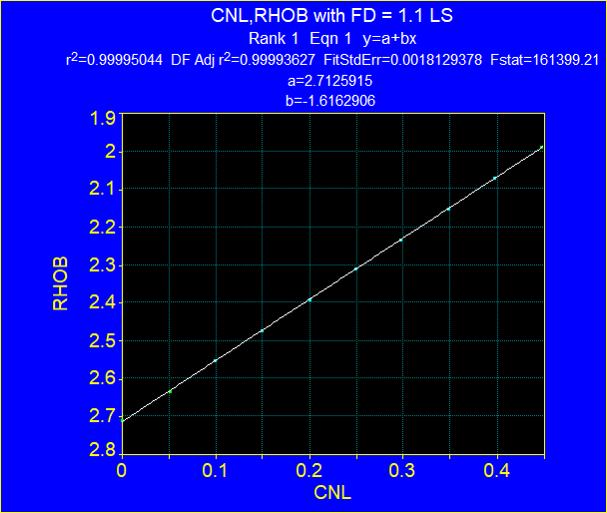
26 | 0.3119 | 2.431 | 2.87 | 0.25
27 | 0.3519 | 2.344 | 2.87 | 0.30
28 | 0.3880 | 2.252 | 2.87 | 0.35
29 | 0.4233 | 2.173 | 2.87 | 0.40
 | 0.0000 | 2.625 | 2.65
 | 0.0200 | 2.5882005488 | 2.65
 | 0.0400 | 2.5518917497 | 2.65
 | 0.0600 | 2.5160670607 | 2.65
 | 0.0800 | 2.480720027 | 2.65
 | 0.1000 | 2.4458442801 | 2.65
 | 0.1200 | 2.4114335363 | 2.65
 | 0.1400 | 2.3774815955 | 2.65
 | 0.1600 | 2.3439823405 | 2.65
 | 0.1800 | 2.3109297356 | 2.65
 | 0.2000 | 2.2783178255 | 2.65
 | 0.2200 | 2.2461407344 | 2.65
 | 0.2400 | 2.2143926648 | 2.65
 | 0.2600 | 2.1830678964 | 2.65
 | 0.2800 | 2.1521607854 | 2.65
 | 0.3000 | 2.1216657631 | 2.65
 | 0.3200 | 2.091577335 | 2.65
 | 0.3400 | 2.0618900799 | 2.65
 | 0.3600 | 2.0325986491 | 2.65
 | 0.3800 | 2.0036977648 | 2.65
 | 0.4000 | 1.9751822199 | 2.65
 | 0.4200 | 1.9470468766 | 2.65
 | 0.4400 | 1.9192866656 | 2.65
 | 0.0000 | 2.71 | 2.71 | 0.0000
 | 0.0200 | 2.677674 | 2.71 | 0.0200
 | 0.0400 | 2.645348 | 2.71 | 0.0400
 | 0.0600 | 2.613022 | 2.71 | 0.0600
 | 0.0800 | 2.580696 | 2.71 | 0.0800
 | 0.1000 | 2.54837 | 2.71 | 0.1000
 | 0.1200 | 2.516044 | 2.71 | 0.1200
 | 0.1400 | 2.483718 | 2.71 | 0.1400
 | 0.1600 | 2.451392 | 2.71 | 0.1600
 | 0.1800 | 2.419066 | 2.71 | 0.1800
 | 0.2000 | 2.38674 | 2.71 | 0.2000
 | 0.2200 | 2.354414 | 2.71 | 0.2200
 | 0.2400 | 2.322088 | 2.71 | 0.2400
 | 0.2600 | 2.289762 | 2.71 | 0.2600
 | 0.2800 | 2.257436 | 2.71 | 0.2800
 | 0.3000 | 2.22511 | 2.71 | 0.3000
 | 0.3200 | 2.192784 | 2.71 | 0.3200
 | 0.3400 | 2.160458 | 2.71 | 0.3400
 | 0.3600 | 2.128132 | 2.71 | 0.3600
 | 0.3800 | 2.095806 | 2.71 | 0.3800
 | 0.4000 | 2.06348 | 2.71 | 0.4000
 | 0.4200 | 2.031154 | 2.71 | 0.4200
 | 0.4400 | 1.998828 | 2.71 | 0.4400
 | 0.0000 | 2.89 | 2.87
 | 0.0200 | 2.8825810357 | 2.87
 | 0.0400 | 2.869016 | 2.87
 | 0.0600 | 2.8514499304 | 2.87
 | 0.0800 | 2.8306482852 | 2.87
 | 0.1000 | 2.807053457 | 2.87
 | 0.1200 | 2.7809639376 | 2.87
 | 0.1400 | 2.7525988574 | 2.87
 | 0.1600 | 2.722128 | 2.87
 | 0.1800 | 2.6896879626 | 2.87
 | 0.2000 | 2.6553917478 | 2.87
 | 0.2200 | 2.6193348682 | 2.87
 | 0.2400 | 2.5815994434 | 2.87
 | 0.2600 | 2.5422570672 | 2.87
 | 0.2800 | 2.5013708814 | 2.87
 | 0.3000 | 2.4589971195 | 2.87
 | 0.3200 | 2.4151862817 | 2.87
 | 0.3400 | 2.3699840481 | 2.87
 | 0.3600 | 2.323432 | 2.87
 | 0.3800 | 2.2755681987 | 2.87
 | 0.4000 | 2.2264276558 | 2.87
 | 0.4200 | 2.1760427202 | 2.87
 | 0.4400 | 2.1244433994 | 2.87

TNPH_1.0
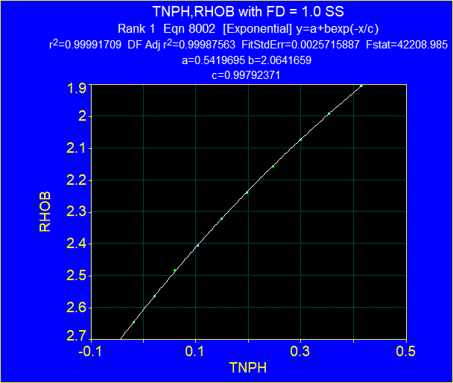
CNL vs. RHOB with Density of Fluid = 1.1
Point | CNL | RHOB | Rho_matrix | Por
1 | -0.0178 | 2.646 | 2.65 | 0.00
2 | 0.0206 | 2.564 | 2.65 | 0.05
3 | 0.0599 | 2.481 | 2.65 | 0.10
4 | 0.1031 | 2.404 | 2.65 | 0.15
5 | 0.1486 | 2.319 | 2.65 | 0.20
6 | 0.1973 | 2.237 | 2.65 | 0.25
7 | 0.2467 | 2.157 | 2.65 | 0.30
8 | 0.2993 | 2.072 | 2.65 | 0.35
9 | 0.3535 | 1.990 | 2.65 | 0.40
10 | 0.4147 | 1.903 | 2.65 | 0.45
11 | 0.0026 | 2.706 | 2.71 | 0.00
12 | 0.0520 | 2.622 | 2.71 | 0.05
13 | 0.0999 | 2.536 | 2.71 | 0.10
14 | 0.1494 | 2.454 | 2.71 | 0.15
15 | 0.1988 | 2.367 | 2.71 | 0.20
16 | 0.2491 | 2.281 | 2.71 | 0.25
17 | 0.2977 | 2.201 | 2.71 | 0.30
18 | 0.3487 | 2.112 | 2.71 | 0.35
19 | 0.3974 | 2.029 | 2.71 | 0.40
20 | 0.4453 | 1.944 | 2.71 | 0.45
21 | 0.0097 | 2.847 | 2.87 | 0.00
22 | 0.0607 | 2.756 | 2.87 | 0.05
23 | 0.1164 | 2.663 | 2.87 | 0.10
24 | 0.1714 | 2.574 | 2.87 | 0.15
25 | 0.2279 | 2.482 | 2.87 | 0.20
26 | 0.2844 | 2.391 | 2.87 | 0.25
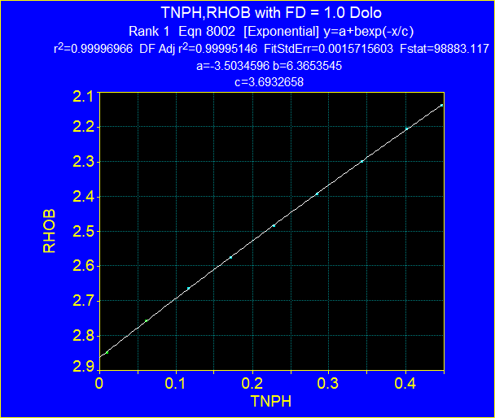
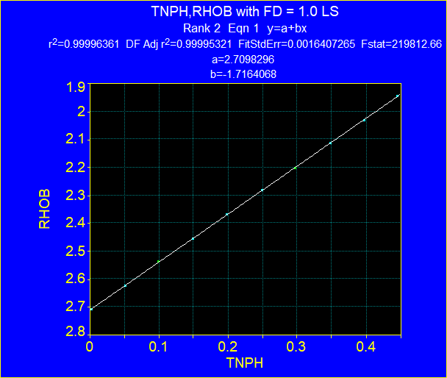
27 | 0.3432 | 2.297 | 2.87 | 0.30
28 | 0.4013 | 2.205 | 2.87 | 0.35
29 | 0.4476 | 2.136 | 2.87 | 0.40
 | 0.0000 | 2.606 | 2.65
 | 0.0200 | 2.5651300617 | 2.65
 | 0.0400 | 2.5250694024 | 2.65
 | 0.0600 | 2.4858019973 | 2.65
 | 0.0800 | 2.4473121389 | 2.65
 | 0.1000 | 2.4095844308 | 2.65
 | 0.1200 | 2.3726037814 | 2.65
 | 0.1400 | 2.3363553979 | 2.65
 | 0.1600 | 2.3008247804 | 2.65
 | 0.1800 | 2.2659977164 | 2.65
 | 0.2000 | 2.2318602744 | 2.65
 | 0.2200 | 2.198398799 | 2.65
 | 0.2400 | 2.1655999052 | 2.65
 | 0.2600 | 2.1334504731 | 2.65
 | 0.2800 | 2.1019376424 | 2.65
 | 0.3000 | 2.0710488075 | 2.65
 | 0.3200 | 2.0407716125 | 2.65
 | 0.3400 | 2.0110939462 | 2.65
 | 0.3600 | 1.982003937 | 2.65
 | 0.3800 | 1.9534899486 | 2.65
 | 0.4000 | 1.925540575 | 2.65
 | 0.4200 | 1.8981446361 | 2.65
 | 0.4400 | 1.8712911731 | 2.65
 | 0.0000 | 2.71 | 2.71 | 0.0000
 | 0.0200 | 2.675672 | 2.71 | 0.0200
 | 0.0400 | 2.641344 | 2.71 | 0.0400
 | 0.0600 | 2.607016 | 2.71 | 0.0600
 | 0.0800 | 2.572688 | 2.71 | 0.0800
 | 0.1000 | 2.53836 | 2.71 | 0.1000
 | 0.1200 | 2.504032 | 2.71 | 0.1200
 | 0.1400 | 2.469704 | 2.71 | 0.1400
 | 0.1600 | 2.435376 | 2.71 | 0.1600
 | 0.1800 | 2.401048 | 2.71 | 0.1800
 | 0.2000 | 2.36672 | 2.71 | 0.2000
 | 0.2200 | 2.332392 | 2.71 | 0.2200
 | 0.2400 | 2.298064 | 2.71 | 0.2400
 | 0.2600 | 2.263736 | 2.71 | 0.2600
 | 0.2800 | 2.229408 | 2.71 | 0.2800
 | 0.3000 | 2.19508 | 2.71 | 0.3000
 | 0.3200 | 2.160752 | 2.71 | 0.3200
 | 0.3400 | 2.126424 | 2.71 | 0.3400
 | 0.3600 | 2.092096 | 2.71 | 0.3600
 | 0.3800 | 2.057768 | 2.71 | 0.3800
 | 0.4000 | 2.02344 | 2.71 | 0.4000
 | 0.4200 | 1.989112 | 2.71 | 0.4200
 | 0.4400 | 1.954784 | 2.71 | 0.4400
 | 0.0000 | 2.865 | 2.87
 | 0.0200 | 2.8305946786 | 2.87
 | 0.0400 | 2.7963753314 | 2.87
 | 0.0600 | 2.7623409533 | 2.87
 | 0.0800 | 2.7284905443 | 2.87
 | 0.1000 | 2.69482311 | 2.87
 | 0.1200 | 2.6613376615 | 2.87
 | 0.1400 | 2.6280332149 | 2.87
 | 0.1600 | 2.5949087919 | 2.87
 | 0.1800 | 2.5619634194 | 2.87
 | 0.2000 | 2.5291961296 | 2.87
 | 0.2200 | 2.4966059598 | 2.87
 | 0.2400 | 2.4641919526 | 2.87
 | 0.2600 | 2.4319531559 | 2.87
 | 0.2800 | 2.3998886226 | 2.87
 | 0.3000 | 2.3679974106 | 2.87
 | 0.3200 | 2.3362785831 | 2.87
 | 0.3400 | 2.3047312083 | 2.87
 | 0.3600 | 2.2733543595 | 2.87
 | 0.3800 | 2.2421471148 | 2.87
 | 0.4000 | 2.2111085575 | 2.87
 | 0.4200 | 2.1802377758 | 2.87
 | 0.4400 | 2.1495338628 | 2.87

TNPH_1.19
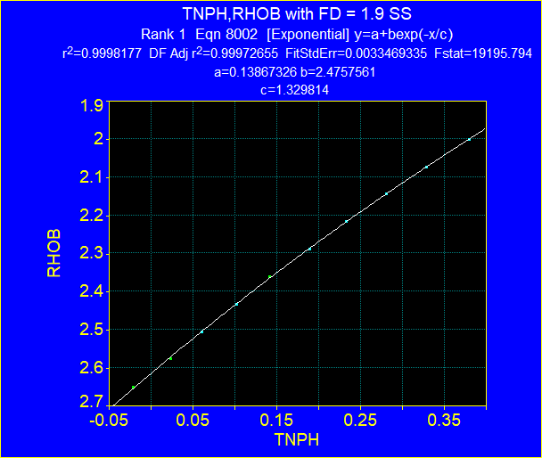
CNL vs. RHOB with Density of Fluid = 1.1
Point | CNL | RHOB | Rho_matrix | Por
1 | -0.0208 | 2.649 | 2.65 | 0.00
2 | 0.0241 | 2.576 | 2.65 | 0.05
3 | 0.0612 | 2.504 | 2.65 | 0.10
4 | 0.1030 | 2.431 | 2.65 | 0.15
5 | 0.1424 | 2.359 | 2.65 | 0.20
6 | 0.1897 | 2.286 | 2.65 | 0.25
7 | 0.2339 | 2.215 | 2.65 | 0.30
8 | 0.2812 | 2.141 | 2.65 | 0.35
9 | 0.3293 | 2.072 | 2.65 | 0.40
10 | 0.3806 | 1.999 | 2.65 | 0.45
11 | 0.0028 | 2.707 | 2.71 | 0.00
12 | 0.0502 | 2.633 | 2.71 | 0.05
13 | 0.1006 | 2.562 | 2.71 | 0.10
14 | 0.1511 | 2.483 | 2.71 | 0.15
15 | 0.1984 | 2.409 | 2.71 | 0.20
16 | 0.2481 | 2.333 | 2.71 | 0.25
17 | 0.2978 | 2.258 | 2.71 | 0.30
18 | 0.3467 | 2.184 | 2.71 | 0.35
19 | 0.3979 | 2.108 | 2.71 | 0.40
20 | 0.4468 | 2.034 | 2.71 | 0.45
21 | 0.0052 | 2.847 | 2.87 | 0.00
22 | 0.0596 | 2.768 | 2.87 | 0.05
23 | 0.1196 | 2.686 | 2.87 | 0.10
24 | 0.1787 | 2.604 | 2.87 | 0.15
25 | 0.2418 | 2.522 | 2.87 | 0.20
26 | 0.3073 | 2.439 | 2.87 | 0.25

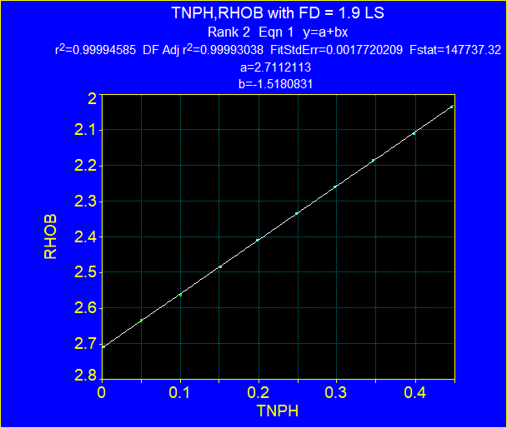
27 | 0.3735 | 2.357 | 2.87 | 0.30
28 | 0.4421 | 2.273 | 2.87 | 0.35
 | 0.0000 | 2.615 | 2.65
 | 0.0200 | 2.5780454673 | 2.65
 | 0.0400 | 2.5416424845 | 2.65
 | 0.0600 | 2.5057828196 | 2.65
 | 0.0800 | 2.4704583636 | 2.65
 | 0.1000 | 2.4356611284 | 2.65
 | 0.1200 | 2.4013832452 | 2.65
 | 0.1400 | 2.3676169626 | 2.65
 | 0.1600 | 2.334354645 | 2.65
 | 0.1800 | 2.3015887706 | 2.65
 | 0.2000 | 2.2693119299 | 2.65
 | 0.2200 | 2.2375168242 | 2.65
 | 0.2400 | 2.2061962633 | 2.65
 | 0.2600 | 2.1753431648 | 2.65
 | 0.2800 | 2.1449505517 | 2.65
 | 0.3000 | 2.1150115512 | 2.65
 | 0.3200 | 2.0855193931 | 2.65
 | 0.3400 | 2.0564674082 | 2.65
 | 0.3600 | 2.0278490269 | 2.65
 | 0.3800 | 1.9996577777 | 2.65
 | 0.4000 | 1.9718872855 | 2.65
 | 0.4200 | 1.9445312705 | 2.65
 | 0.4400 | 1.9175835465 | 2.65
 | 0.0000 | 2.71 | 2.71 | 0.0000
 | 0.0200 | 2.6796 | 2.71 | 0.0200
 | 0.0400 | 2.6492 | 2.71 | 0.0400
 | 0.0600 | 2.6188 | 2.71 | 0.0600
 | 0.0800 | 2.5884 | 2.71 | 0.0800
 | 0.1000 | 2.558 | 2.71 | 0.1000
 | 0.1200 | 2.5276 | 2.71 | 0.1200
 | 0.1400 | 2.4972 | 2.71 | 0.1400
 | 0.1600 | 2.4668 | 2.71 | 0.1600
 | 0.1800 | 2.4364 | 2.71 | 0.1800
 | 0.2000 | 2.406 | 2.71 | 0.2000
 | 0.2200 | 2.3756 | 2.71 | 0.2200
 | 0.2400 | 2.3452 | 2.71 | 0.2400
 | 0.2600 | 2.3148 | 2.71 | 0.2600
 | 0.2800 | 2.2844 | 2.71 | 0.2800
 | 0.3000 | 2.254 | 2.71 | 0.3000
 | 0.3200 | 2.2236 | 2.71 | 0.3200
 | 0.3400 | 2.1932 | 2.71 | 0.3400
 | 0.3600 | 2.1628 | 2.71 | 0.3600
 | 0.3800 | 2.1324 | 2.71 | 0.3800
 | 0.4000 | 2.102 | 2.71 | 0.4000
 | 0.4200 | 2.0716 | 2.71 | 0.4200
 | 0.4400 | 2.0412 | 2.71 | 0.4400
 | 0.0000 | 2.855 | 2.87
 | 0.0200 | 2.826121484 | 2.87
 | 0.0400 | 2.7975073004 | 2.87
 | 0.0600 | 2.7691550297 | 2.87
 | 0.0800 | 2.7410622745 | 2.87
 | 0.1000 | 2.7132266595 | 2.87
 | 0.1200 | 2.6856458309 | 2.87
 | 0.1400 | 2.6583174566 | 2.87
 | 0.1600 | 2.6312392259 | 2.87
 | 0.1800 | 2.6044088491 | 2.87
 | 0.2000 | 2.5778240575 | 2.87
 | 0.2200 | 2.5514826033 | 2.87
 | 0.2400 | 2.5253822591 | 2.87
 | 0.2600 | 2.499520818 | 2.87
 | 0.2800 | 2.4738960932 | 2.87
 | 0.3000 | 2.4485059181 | 2.87
 | 0.3200 | 2.4233481456 | 2.87
 | 0.3400 | 2.3984206486 | 2.87
 | 0.3600 | 2.3737213194 | 2.87
 | 0.3800 | 2.3492480693 | 2.87
 | 0.4000 | 2.3249988292 | 2.87
 | 0.4200 | 2.3009715485 | 2.87
 | 0.4400 | 2.2771641956 | 2.87

